READ_ME
Automation Program Collection
Written by Kenny Ma : KM BioEngineering Services
Contact: 626-246-2233
Email: kyoma17@gmail.com
For Laragen | 24-Sep-22
You must Make sure VBA Miscrosoft Scripting Runtime is Enabled to use the FSO Library Package

FolderPaths:

Analysis Result SS | C:\Users\SERVER\Desktop\AnalysisSS\
Extraction SS | C:\Users\SERVER\Desktop\ExtractionSS\
Taconic Result | C:\Users\SERVER\Desktop\Taconic_ResultSS\
JAX Result | C:\Users\SERVER\Desktop\JAX_ResultSS\
Marge Result | C:\Users\SERVER\Desktop\MARGE_ResultSS\
Test Database | C:\Users\SERVER\Desktop\_TEST_DB.xlsx
Taconic RAW Input | C:\Users\SERVER\Desktop\Taconic_INPUT\
Taconic Template | C:\Users\SERVER\Desktop\Taconic_Strain_Template\
Summary Output | C:\Users\SERVER\Desktop\SummaryOutput\
Repeat SS | C:\Users\SERVER\Desktop\RepeatSS\
GeneMapper Table | C:\Users\SERVER\Desktop\GM_Table\

Excel - Developer - Visual Basic -Tools- References

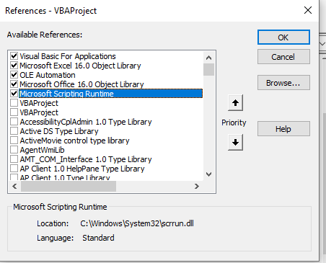

 |  | ZDRIVE | ZDRIVE TESTING
 |  | Z:\_AUTOMATION\AnalysisSS\ | Z:\zTEST\AnalysisSS\
 |  | Z:\_AUTOMATION\ExtractionSS\ | Z:\zTEST\ExtractionSS\
 |  | Z:\_AUTOMATION\Taconic_ResultSS\ | Z:\zTEST\Taconic_ResultSS\
 |  | Z:\_AUTOMATION\JAX_ResultSS\ | Z:\zTEST\JAX_ResultSS\
 |  | Z:\_AUTOMATION\MARGE_ResultSS\ | Z:\zTEST\MARGE_ResultSS\
 |  | Z:\_AUTOMATION\_TEST_DB.xlsx | Z:\zTEST\_TEST_DB.xlsx
 |  | Z:\_AUTOMATION\Taconic_INPUT\ | Z:\zTEST\Taconic_INPUT\
 |  | Z:\_AUTOMATION\Taconic_Strain_Template\ | Z:\zTEST\Taconic_Strain_Template\
 |  | Z:\_AUTOMATION\SummaryOutput\ | Z:\zTEST\SummaryOutput\
 |  | Z:\_AUTOMATION\RepeatSS\ | Z:\zTEST\RepeatSS\
 |  | Z:\_AUTOMATION\GM_Table\ | Z:\zTEST\GM_Table\

 |  | LOCAL TESTING
 |  | C:\Users\SERVER\Desktop\AnalysisSS\
 |  | C:\Users\SERVER\Desktop\ExtractionSS\
 |  | C:\Users\SERVER\Desktop\Taconic_ResultSS\
 |  | C:\Users\SERVER\Desktop\JAX_ResultSS\
 |  | C:\Users\SERVER\Desktop\MARGE_ResultSS\
 |  | C:\Users\SERVER\Desktop\_TEST_DB.xlsx
 |  | C:\Users\SERVER\Desktop\Taconic_INPUT\
 |  | C:\Users\SERVER\Desktop\Taconic_Strain_Template\
 |  | C:\Users\SERVER\Desktop\SummaryOutput\
 |  | C:\Users\SERVER\Desktop\RepeatSS\
 |  | C:\Users\SERVER\Desktop\GM_Table\

